Summary
MPPG Validation Summary

Institution |  | Notes: | See image below for coordinates used in this spreadsheet and in the MatLab code printouts.
Treatment Delivery System |  | 1
Treatment Planning System |  | 2 | Comparisons are: [(measured - calculated)/measured]
Version
Machine
Photon Model
Electron Model
all scans doen with chamber long axis oriented paralled to couch.
Y (depth)
X crossline
Z (inline with gun-target axis)
Grey is couch at home position
Test | Status
5.1 Physics. vs Plan data
5.2 Abs Dose
5.3 Comm. vs. Plan data
5.4 Small MLC
5.5 Large MLC
5.6 Off Axis
5.7 Asym 80 SSD
5.8 Obliques
5.9 EDW
6.1 CT-Density Cal.
6.2 Heterogeneity
7.1 Small MLC PDD and OF
7.2 Small MLC shapes OF
7.3 TG 119
7.4 Clincal DQA
7.5 External
8.1
8.2
8.3

5.4
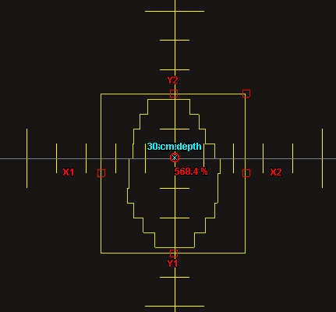
Test: | 5.4
Description: | Small MLC shaped field (non SRS)

Comments: | The field shape for this test is shown to the right.

Test Patient: | zz MPPG #5 Tests
Test Course: | MPPG Photons
Test Plan: | 5.4 TB140
Plan Settings: | 2 mm dose grid, all beams have 500 MU

Scan SSD: | 90 cm
Crossline Profile Depths: | dmax, 10 cm, 25 cm
Inline Profile Depths: | 10 cm

Point Dose Results:
 |  |  |  | Measurement |  |  |  |  | AAA |  |  | Acuros
Plan Name | Field Name | Dose Rate | Description | T | P | M | Mcorr | Rel. Dose | Calc Dose. | Rel. Dose | % Diff | Calc Dose. | Rel. Dose | % Diff
5.2 TB140 | 6x_10x10 | 600 Servo On | 6x 10x10 Standard |  |  |  | #DIV/0! | #DIV/0! |  | #DIV/0! | #DIV/0! |  | #DIV/0! | #DIV/0!
5.2 TB140 | 6xFFF_10x10 | 800 Servo On | 6x FFF 10x10 Standard |  |  |  | #DIV/0! | #DIV/0! |  | #DIV/0! | #DIV/0! |  | #DIV/0! | #DIV/0!
5.2 TB140 | 10xFFF_10x10 | 800 Servo On | 10x FFF 10x10 Standard |  |  |  | #DIV/0! | #DIV/0! |  | #DIV/0! | #DIV/0! |  | #DIV/0! | #DIV/0!
5.2 TB140 | 16x_10x10 | 600 Servo On | 16x 10x10 Standard |  |  |  | #DIV/0! | #DIV/0! |  | #DIV/0! | #DIV/0! |  | #DIV/0! | #DIV/0!
5.4 8 mm Offset | 6x | 600 Servo On | MPPG 5.4 |  |  |  | #DIV/0! | #DIV/0! |  | #DIV/0! | #DIV/0! |  | #DIV/0! | #DIV/0!
5.4 8 mm Offset | 6x FFF | 800 Servo On | MPPG 5.4 |  |  |  | #DIV/0! | #DIV/0! |  | #DIV/0! | #DIV/0! |  | #DIV/0! | #DIV/0!
5.4 8 mm Offset | 10x FFF | 800 Servo On | MPPG 5.4 |  |  |  | #DIV/0! | #DIV/0! |  | #DIV/0! | #DIV/0! |  | #DIV/0! | #DIV/0!
5.4 8 mm Offset | 16x | 600 Servo On | MPPG 5.4 |  |  |  | #DIV/0! | #DIV/0! |  | #DIV/0! | #DIV/0! |  | #DIV/0! | #DIV/0!

 |  | AAA |  |  |  |  | Acuros
Profile Passing Rates: |  | Crossline |  |  | Inline | PDD | Crossline |  |  | Inline | PDD
Criteria: 2%/2mm Global |  | dmax | 10 cm | 30 cm | 10 cm |  | dmax | 10 cm | 30 cm | 10 cm
5.4 8 mm Offset | 6x
5.4 8 mm Offset | 6x FFF
5.4 8 mm Offset | 10x FFF
5.4 8 mm Offset | 16x

5.5
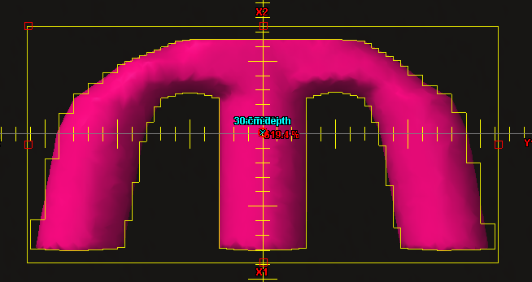
Test: | 5.5
Description: | Large MLC shaped field with extensive blocking (e.g.: mantle)

Comments: | The field shape for this test is shown to the right.

Test Patient: | zz MPPG #5 Tests
Test Course: | MPPG Photons
Test Plan: | 5.5 TB140
Plan Settings: | 2 mm dose grid, all beams have 500 MU

Scan SSD: | 90 cm
Crossline Profile Depths: | dmax, 10 cm, 25 cm
Inline Profile Depths: | 10 cm

Point Dose Results:
 |  |  |  | Measurement |  |  |  |  | AAA |  |  | Acuros
Plan Name | Field Name | Dose Rate | Description | T | P | M | Mcorr | Rel. Dose | Calc Dose. | Rel. Dose | % Diff | Calc Dose. | Rel. Dose | % Diff
5.2 TB140 | 6x_10x10 | 600 Servo On | 6x 10x10 Standard | 0 | 0 | 0 | #DIV/0! | #DIV/0! | 0 | #DIV/0! | #DIV/0! | 0 | #DIV/0! | #DIV/0!
5.2 TB140 | 6xFFF_10x10 | 800 Servo On | 6x FFF 10x10 Standard | 0 | 0 | 0 | #DIV/0! | #DIV/0! | 0 | #DIV/0! | #DIV/0! | 0 | #DIV/0! | #DIV/0!
5.2 TB140 | 10xFFF_10x10 | 800 Servo On | 10x FFF 10x10 Standard | 0 | 0 | 0 | #DIV/0! | #DIV/0! | 0 | #DIV/0! | #DIV/0! | 0 | #DIV/0! | #DIV/0!
5.2 TB140 | 16x_10x10 | 600 Servo On | 16x 10x10 Standard | 0 | 0 | 0 | #DIV/0! | #DIV/0! | 0 | #DIV/0! | #DIV/0! | 0 | #DIV/0! | #DIV/0!
5.5 TB140 | 6x | 600 Servo On | MPPG 5.5 |  |  |  | #DIV/0! | #DIV/0! |  | #DIV/0! | #DIV/0! |  | #DIV/0! | #DIV/0!
5.5 TB140 | 6x FFF | 800 Servo On | MPPG 5.5 |  |  |  | #DIV/0! | #DIV/0! |  | #DIV/0! | #DIV/0! |  | #DIV/0! | #DIV/0!
5.5 TB140 | 10x FFF | 800 Servo On | MPPG 5.5 |  |  |  | #DIV/0! | #DIV/0! |  | #DIV/0! | #DIV/0! |  | #DIV/0! | #DIV/0!
5.5 TB140 | 16x | 600 Servo On | MPPG 5.5 |  |  |  | #DIV/0! | #DIV/0! |  | #DIV/0! | #DIV/0! |  | #DIV/0! | #DIV/0!

 |  | AAA |  |  |  |  | Acuros
Profile Passing Rates: |  | Crossline |  |  | Inline | PDD | Crossline |  |  | Inline | PDD
Criteria: 2%/2mm Global |  | dmax | 10 cm | 30 cm | 10 cm |  | dmax | 10 cm | 30 cm | 10 cm
5.5 | 6x
5.5 | 6x FFF
5.5 | 10x FFF
5.5 | 16x

5.6
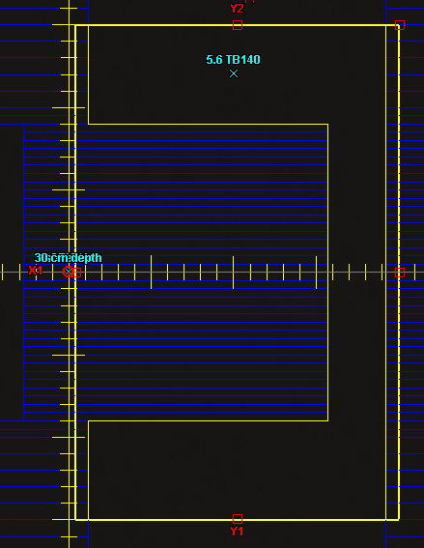
Test: | 5.6
Description: | Off-axis MLC shaped field, with maximum allowed leaf over travel.

Comments: | The field shape for this test is shown to the right.

Test Patient: | zz MPPG #5 Tests
Test Course: | MPPG Photons
Test Plan: | 5.6 TB140
Plan Settings: | 2 mm dose grid, all beams have 500 MU

Scan SSD: | 90 cm
Crossline Profile Location: | z = 12 cm
Crossline Profile Depths: | 10 cm
Inline Profile Location: | x = 10 cm
Inline Profile Depths: | dmax, 10 cm, 25 cm

Point Dose Results:
 |  |  |  | Measurement |  |  |  |  | AAA |  |  | Acuros
Plan Name | Field Name | Dose Rate | Description | T | P | M | Mcorr | Rel. Dose | Calc Dose. | Rel. Dose | % Diff | Calc Dose. | Rel. Dose | % Diff
5.2 TB140 | 6x_10x10 | 600 Servo On | 6x 10x10 Standard | 0 | 0 | 0 | #DIV/0! | #DIV/0! | 0 | #DIV/0! | #DIV/0! | 0 | #DIV/0! | #DIV/0!
5.2 TB140 | 6xFFF_10x10 | 800 Servo On | 6x FFF 10x10 Standard | 0 | 0 | 0 | #DIV/0! | #DIV/0! | 0 | #DIV/0! | #DIV/0! | 0 | #DIV/0! | #DIV/0!
5.2 TB140 | 10xFFF_10x10 | 800 Servo On | 10x FFF 10x10 Standard | 0 | 0 | 0 | #DIV/0! | #DIV/0! | 0 | #DIV/0! | #DIV/0! | 0 | #DIV/0! | #DIV/0!
5.2 TB140 | 16x_10x10 | 600 Servo On | 16x 10x10 Standard | 0 | 0 | 0 | #DIV/0! | #DIV/0! | 0 | #DIV/0! | #DIV/0! | 0 | #DIV/0! | #DIV/0!
5.6 TB140 | 6x | 600 Servo On | MPPG 5.6 |  |  |  | #DIV/0! | #DIV/0! |  | #DIV/0! | #DIV/0! |  | #DIV/0! | #DIV/0!
5.6 TB140 | 6x FFF | 800 Servo On | MPPG 5.6 |  |  |  | #DIV/0! | #DIV/0! |  | #DIV/0! | #DIV/0! |  | #DIV/0! | #DIV/0!
5.6 TB140 | 10x FFF | 800 Servo On | MPPG 5.6 |  |  |  | #DIV/0! | #DIV/0! |  | #DIV/0! | #DIV/0! |  | #DIV/0! | #DIV/0!
5.6 TB140 | 16x | 600 Servo On | MPPG 5.6 |  |  |  | #DIV/0! | #DIV/0! |  | #DIV/0! | #DIV/0! |  | #DIV/0! | #DIV/0!

 |  | AAA |  |  |  |  | Acuros
Profile Passing Rates: |  | Inline |  |  | Crossline | PDD | Inline |  |  | Crossline | PDD
Criteria: 2%/2mm Global |  | dmax | 10 cm | 30 cm | 10 cm |  | dmax | 10 cm | 30 cm | 10 cm
5.6 | 6x
5.6 | 6x FFF
5.6 | 10x FFF
5.6 | 16x

5.7
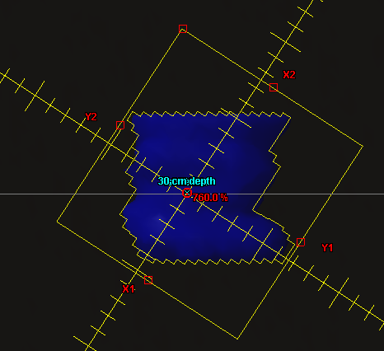
Test: | 5.7
Description: | Asymmetric MLC shaped field at minimal anticipated SSD

Comments: | The field shape for this test is shown to the right.

Test Patient: | zz MPPG #5 Tests
Test Course: | MPPG Photons
Test Plan: | 5.7 TB140
Plan Settings: | 2 mm dose grid, all beams have 500 MU

Scan SSD: | 80 cm
Crossline Profile Location: | z = 0
Crossline Profile Depths: | dmax, 10 cm, 25 cm
Inline Profile Location: | x = 0
Inline Profile Depths: | 10 cm

Point Dose Results:
 |  |  |  | Measurement |  |  |  |  | AAA |  |  | Acuros
Plan Name | Field Name | Dose Rate | Description | T | P | M | Mcorr | Rel. Dose | Calc Dose. | Rel. Dose | % Diff | Calc Dose. | Rel. Dose | % Diff
5.2 TB140 | 6x_10x10 | 600 Servo On | 6x 10x10 Standard | 0 | 0 | 0 | #DIV/0! | #DIV/0! | 0 | #DIV/0! | #DIV/0! | 0 | #DIV/0! | #DIV/0!
5.2 TB140 | 6xFFF_10x10 | 800 Servo On | 6x FFF 10x10 Standard | 0 | 0 | 0 | #DIV/0! | #DIV/0! | 0 | #DIV/0! | #DIV/0! | 0 | #DIV/0! | #DIV/0!
5.2 TB140 | 10xFFF_10x10 | 800 Servo On | 10x FFF 10x10 Standard | 0 | 0 | 0 | #DIV/0! | #DIV/0! | 0 | #DIV/0! | #DIV/0! | 0 | #DIV/0! | #DIV/0!
5.2 TB140 | 16x_10x10 | 600 Servo On | 16x 10x10 Standard | 0 | 0 | 0 | #DIV/0! | #DIV/0! | 0 | #DIV/0! | #DIV/0! | 0 | #DIV/0! | #DIV/0!
5.7 TB140 | 6x | 600 Servo On | MPPG 5.7 |  |  |  | #DIV/0! | #DIV/0! |  | #DIV/0! | #DIV/0! |  | #DIV/0! | #DIV/0!
5.7 TB140 | 6x FFF | 800 Servo On | MPPG 5.7 |  |  |  | #DIV/0! | #DIV/0! |  | #DIV/0! | #DIV/0! |  | #DIV/0! | #DIV/0!
5.7 TB140 | 10x FFF | 800 Servo On | MPPG 5.7 |  |  |  | #DIV/0! | #DIV/0! |  | #DIV/0! | #DIV/0! |  | #DIV/0! | #DIV/0!
5.7 TB140 | 16x | 600 Servo On | MPPG 5.7 |  |  |  | #DIV/0! | #DIV/0! |  | #DIV/0! | #DIV/0! |  | #DIV/0! | #DIV/0!

 |  | AAA |  |  |  |  | Acuros
Profile Passing Rates: |  | Crossline |  |  | Inline | PDD | Crossline |  |  | Inline | PDD
Criteria: 2%/2mm Global |  | dmax | 10 cm | 30 cm | 10 cm |  | dmax | 10 cm | 30 cm | 10 cm
5.7 | 6x
5.7 | 6x FFF
5.7 | 10x FFF
5.7 | 16x

5.9
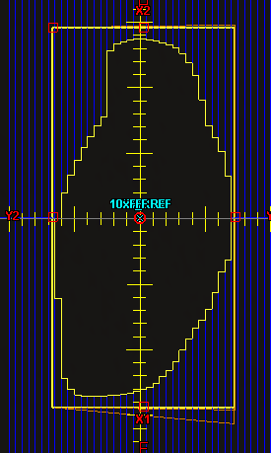
Test: | 5.9
Description: | Large (>15cm) MLC field for each a non-physical wedge angle

Comments: | The field shape for this test is shown to the right. Measured using MapCHECK2 at three depths in Solid Water using an isocentric geometry.

Test Patient: | zz MPPG #5 Tests
Test Course: | MPPG Photons
Test Plan: | 5.9 TB140 (05, 10, 20)
Plan Settings: | 2 mm dose grid, all beams have 300 MU

Energy | Angle | Direction | Depth | AAA | Acuros | (3%/2mm)
6x | 60 | In | 5 cm
6x | 60 | Out | 5 cm
16x | 60 | In | 5 cm
16x | 60 | Out | 5 cm
6x | 60 | In | 10 cm
6x | 60 | Out | 10 cm
6x | 45 | In | 10 cm
6x | 30 | In | 10 cm
6x | 25 | In | 10 cm
6x | 20 | In | 10 cm
6x | 15 | In | 10 cm
6x | 10 | In | 10 cm
16x | 60 | In | 10 cm
16x | 60 | Out | 10 cm
16x | 45 | In | 10 cm
16x | 30 | In | 10 cm
16x | 25 | In | 10 cm
16x | 20 | In | 10 cm
16x | 15 | In | 10 cm
16x | 10 | In | 10 cm
6x | 60 | In | 20 cm
6x | 60 | Out | 20 cm
16x | 60 | In | 20 cm
16x | 60 | Out | 20 cm

6.2
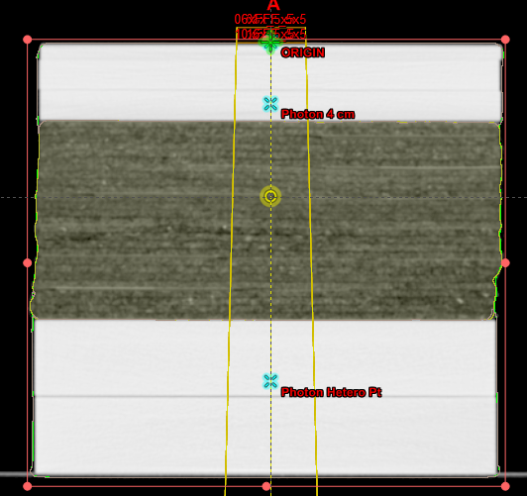
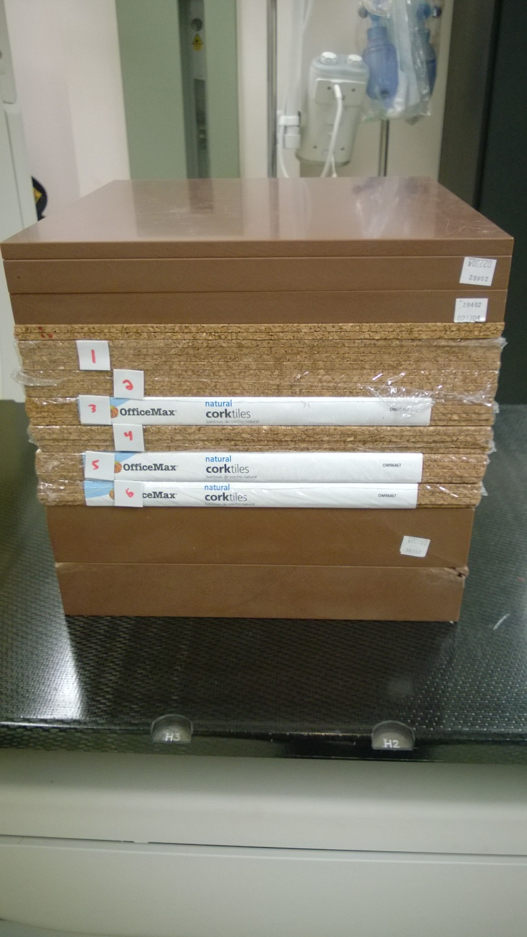
Test: | 6.2
Objective: | Heterogeneity correction distal and proximal to lung tissue
Description: | 5x5 cm2, measure dose ratio above and below heterogeneity outside of the buildup region

Tolerances: | 3%

Comments: | This phantom consists of 5 cm of Solid Water on top, 13 cm of lung substitute material in the middle, then 10 cm of Solid Water on the bottom. Cork was used for a lung substitute material. Ion chamber measurements were taken at 4 cm depth and 22 cm depth. 90 SSD.

Point Dose Results:
 |  |  |  | Measurement |  |  |  |  |  |  | AAA |  |  | Acuros (No Override, Dm) |  |  | Acuros (No Override, Dw) |  |  | Acuros (Override)
Energy | Field Size | SSD | Depth | T | P | M1 | M2 | Mave | Mcorr | Rel. Dose | Calc Dose. | Rel. Dose | % Diff | Calc Dose. | Rel. Dose | % Diff | Calc Dose. | Rel. Dose | % Diff | Calc Dose. | Rel. Dose | % Diff
6x | 10x10 | 100 | 1.4 |  |  |  |  | #DIV/0! | #DIV/0! | #DIV/0! |  | #DIV/0! | #DIV/0! |  | #DIV/0! | #DIV/0! |  | #DIV/0! | #DIV/0! |  | #DIV/0! | #DIV/0!
6xFFF | 10x10 | 100 | 1.3 |  |  |  |  | #DIV/0! | #DIV/0! | #DIV/0! |  | #DIV/0! | #DIV/0! |  | #DIV/0! | #DIV/0! |  | #DIV/0! | #DIV/0! |  | #DIV/0! | #DIV/0!
10xFFF | 10x10 | 100 | 2.2 |  |  |  |  | #DIV/0! | #DIV/0! | #DIV/0! |  | #DIV/0! | #DIV/0! |  | #DIV/0! | #DIV/0! |  | #DIV/0! | #DIV/0! |  | #DIV/0! | #DIV/0!
16x | 10x10 | 100 | 2.9 |  |  |  |  | #DIV/0! | #DIV/0! | #DIV/0! |  | #DIV/0! | #DIV/0! |  | #DIV/0! | #DIV/0! |  | #DIV/0! | #DIV/0! |  | #DIV/0! | #DIV/0!
6x | 5x5 | 90 | 4 |  |  |  |  | #DIV/0! | #DIV/0! | #DIV/0! |  | #DIV/0! | #DIV/0! |  | #DIV/0! | #DIV/0! |  | #DIV/0! | #DIV/0! |  | #DIV/0! | #DIV/0!
6xFFF | 5x5 | 90 | 4 |  |  |  |  | #DIV/0! | #DIV/0! | #DIV/0! |  | #DIV/0! | #DIV/0! |  | #DIV/0! | #DIV/0! |  | #DIV/0! | #DIV/0! |  | #DIV/0! | #DIV/0!
10xFFF | 5x5 | 90 | 4 |  |  |  |  | #DIV/0! | #DIV/0! | #DIV/0! |  | #DIV/0! | #DIV/0! |  | #DIV/0! | #DIV/0! |  | #DIV/0! | #DIV/0! |  | #DIV/0! | #DIV/0!
16x | 5x5 | 90 | 4 |  |  |  |  | #DIV/0! | #DIV/0! | #DIV/0! |  | #DIV/0! | #DIV/0! |  | #DIV/0! | #DIV/0! |  | #DIV/0! | #DIV/0! |  | #DIV/0! | #DIV/0!
6x | 5x5 | 90 | 22 |  |  |  |  | #DIV/0! | #DIV/0! | #DIV/0! |  | #DIV/0! | #DIV/0! |  | #DIV/0! | #DIV/0! |  | #DIV/0! | #DIV/0! |  | #DIV/0! | #DIV/0!
6xFFF | 5x5 | 90 | 22 |  |  |  |  | #DIV/0! | #DIV/0! | #DIV/0! |  | #DIV/0! | #DIV/0! |  | #DIV/0! | #DIV/0! |  | #DIV/0! | #DIV/0! |  | #DIV/0! | #DIV/0!
10xFFF | 5x5 | 90 | 22 |  |  |  |  | #DIV/0! | #DIV/0! | #DIV/0! |  | #DIV/0! | #DIV/0! |  | #DIV/0! | #DIV/0! |  | #DIV/0! | #DIV/0! |  | #DIV/0! | #DIV/0!
16x | 5x5 | 90 | 22 |  |  |  |  | #DIV/0! | #DIV/0! | #DIV/0! |  | #DIV/0! | #DIV/0! |  | #DIV/0! | #DIV/0! |  | #DIV/0! | #DIV/0! |  | #DIV/0! | #DIV/0!

7.1 & 7.2
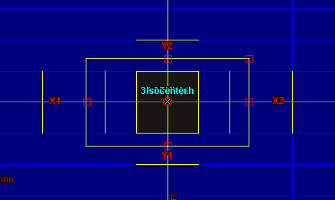
Test: | 7.1 & 7.2
Objective: | Very small field PDD & Verify output for small MLC-defined field
Description: | 1x1 cm2 MLC shaped field. Jaws are retract 0.8 cm in X and 0.2 cm in Y, as is done automatically. Measured with Edge detector.

Test Patient: | zz MPPG #5 Tests
Test Course: | MPPG Photons
Test Plan: | 7.1 TB140
Plan Settings: | 1 mm dose grid, all beams have 500 MU

Scan SSD: | 90 cm
Crossline Profile Depths: | dmax, 10 cm, 25 cm
Inline Profile Depths: | 10 cm

Point Dose Results: |  |  |  |  |  |  |  |  |  |  |  | With kΩ = 0.967 applied to 1x1 fields
 |  |  |  | Measurements |  | AAA |  |  | Acuros |  |  | Measurements |  | AAA |  |  | Acuros
Plan Name | Field Name | Dose Rate | Description | M | Rel. Dose | Calc Dose. | Rel. Dose | % Diff | Calc Dose. | Rel. Dose | % Diff | M | Rel. Dose | Calc Dose. | Rel. Dose | % Diff | Calc Dose. | Rel. Dose | % Diff
7.0 TB140 | 7.0-6x | 600 Servo On | 6x 10x10 90 SSD |  | #DIV/0! |  | #DIV/0! | #DIV/0! |  | #DIV/0! | #DIV/0! | 0 | #DIV/0! | 0 | #DIV/0! | #DIV/0! | 0 | #DIV/0! | #DIV/0!
7.0 TB140 | 7.0-6xFFF | 800 Servo On | 6x FFF 10x10 90 SSD |  | #DIV/0! |  | #DIV/0! | #DIV/0! |  | #DIV/0! | #DIV/0! | 0 | #DIV/0! | 0 | #DIV/0! | #DIV/0! | 0 | #DIV/0! | #DIV/0!
7.0 TB140 | 7.0-10xFFF | 800 Servo On | 10x FFF 10x10 90 SSD |  | #DIV/0! |  | #DIV/0! | #DIV/0! |  | #DIV/0! | #DIV/0! | 0 | #DIV/0! | 0 | #DIV/0! | #DIV/0! | 0 | #DIV/0! | #DIV/0!
7.0 TB140 | 7.0-16x | 600 Servo On | 16x 10x10 90 SSD |  | #DIV/0! |  | #DIV/0! | #DIV/0! |  | #DIV/0! | #DIV/0! | 0 | #DIV/0! | 0 | #DIV/0! | #DIV/0! | 0 | #DIV/0! | #DIV/0!
7.1 TB140 | 7.1-6x | 600 Servo On | MPPG 7.1 |  | #DIV/0! |  | #DIV/0! | #DIV/0! |  | #DIV/0! | #DIV/0! | 0 | #DIV/0! | 0 | #DIV/0! | #DIV/0! | 0 | #DIV/0! | #DIV/0!
7.1 TB140 | 7.1-6xFFF | 800 Servo On | MPPG 7.1 |  | #DIV/0! |  | #DIV/0! | #DIV/0! |  | #DIV/0! | #DIV/0! | 0 | #DIV/0! | 0 | #DIV/0! | #DIV/0! | 0 | #DIV/0! | #DIV/0!
7.1 TB140 | 7.1-10xFFF | 800 Servo On | MPPG 7.1 |  | #DIV/0! |  | #DIV/0! | #DIV/0! |  | #DIV/0! | #DIV/0! | 0 | #DIV/0! | 0 | #DIV/0! | #DIV/0! | 0 | #DIV/0! | #DIV/0!
7.1 TB140 | 7.1-16x | 600 Servo On | MPPG 7.1 |  | #DIV/0! |  | #DIV/0! | #DIV/0! |  | #DIV/0! | #DIV/0! | 0 | #DIV/0! | 0 | #DIV/0! | #DIV/0! | 0 | #DIV/0! | #DIV/0!

 |  | AAA |  |  |  |  | Acuros
Profile Passing Rates: |  | Crossline |  |  | Inline | PDD | Crossline |  |  | Inline | PDD
Criteria: 2%/2mm Global |  | dmax | 10 cm | 30 cm | 10 cm |  | dmax | 10 cm | 30 cm | 10 cm
7.1 | 6x
7.1 | 6x FFF
7.1 | 10x FFF
7.1 | 16x

Comments: According to "Francescon, Cora, and Satariano: Correction factors for several detectors using MC simulation, Med Phys 2011", the Edge Detector exhibits a 3.0-3.5% overreponse at 6x for a field size of 1x1. The response for other energies is unknown, but it is likely the overresponse is greater for higher energies. If we apply a uniform 3.3% correction, all of our measured output factors for 1x1 would be within 3% of the calculated doses for both algorithms. The agreement may be even better, but it isn't possible to apply energy-dependant corrections because they have not been published and require Monte Carlo to calculate.

8.1
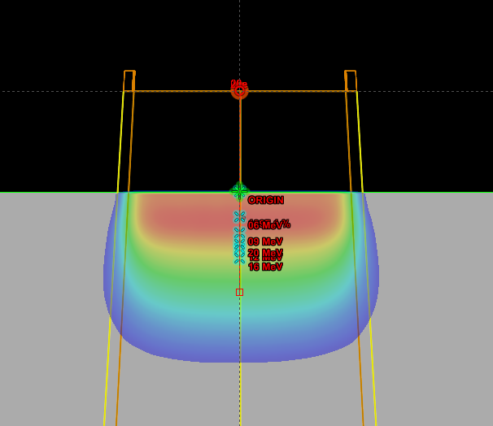
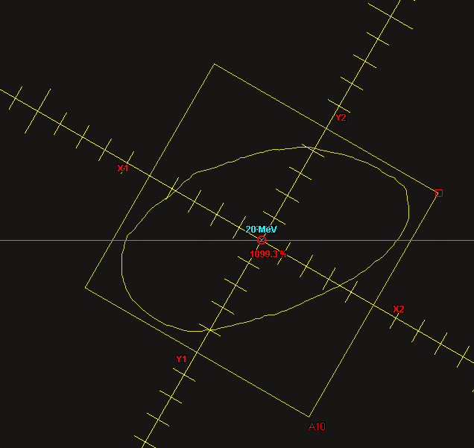
Test: | 8.1
Objective: | Basic model verification with shaped fields

Description: | Custom cutouts at standard and extended SSDs.

Tolerance: | 3%/3mm

Test Patient:
Test Course: | MPPG
Test Plan: | 8.1 100 SSD, 8.1 105 SSD
Plan Settings: | 2 mm dose grid, all beams have 500 MU

Scan SSD: | 100 cm, 105 cm
Crossline Profile Depths: | Energy Dependant
Inline Profile Depths: | Energy Dependant

Point Dose Results:
 |  |  |  | Measurement |  |  |  |  | EMC
Plan Name | Field Name | Dose Rate | Description | T | P | M | Mcorr | Rel. Dose | Calc Dose. | Rel. Dose | % Diff
Standards | 06e | 600 Servo On | 6e 10x10 Standard |  |  |  | #DIV/0! | #DIV/0! |  | #DIV/0! | #DIV/0!
Standards | 09e | 600 Servo On | 9e 10x10 Standard |  |  |  | #DIV/0! | #DIV/0! |  | #DIV/0! | #DIV/0!
Standards | 12e | 600 Servo On | 12e 10x10 Standard |  |  |  | #DIV/0! | #DIV/0! |  | #DIV/0! | #DIV/0!
Standards | 16e | 600 Servo On | 16e 10x10 Standard |  |  |  | #DIV/0! | #DIV/0! |  | #DIV/0! | #DIV/0!
Standards | 20e | 600 Servo On | 20e 10x10 Standard |  |  |  | #DIV/0! | #DIV/0! |  | #DIV/0! | #DIV/0!
8.1 100 SSD | 06e | 600 Servo On | MPPG 8.1 |  |  |  | #DIV/0! | #DIV/0! |  | #DIV/0! | #DIV/0!
8.1 100 SSD | 09e | 600 Servo On | MPPG 8.1 |  |  |  | #DIV/0! | #DIV/0! |  | #DIV/0! | #DIV/0!
8.1 100 SSD | 12e | 600 Servo On | MPPG 8.1 |  |  |  | #DIV/0! | #DIV/0! |  | #DIV/0! | #DIV/0!
8.1 100 SSD | 16e | 600 Servo On | MPPG 8.1 |  |  |  | #DIV/0! | #DIV/0! |  | #DIV/0! | #DIV/0!
8.1 100 SSD | 20e | 600 Servo On | MPPG 8.1 |  |  |  | #DIV/0! | #DIV/0! |  | #DIV/0! | #DIV/0!
8.1 105 SSD | 06e | 600 Servo On | MPPG 8.1 |  |  |  | #DIV/0! | #DIV/0! |  | #DIV/0! | #DIV/0!
8.1 105 SSD | 09e | 600 Servo On | MPPG 8.1 |  |  |  | #DIV/0! | #DIV/0! |  | #DIV/0! | #DIV/0!
8.1 105 SSD | 12e | 600 Servo On | MPPG 8.1 |  |  |  | #DIV/0! | #DIV/0! |  | #DIV/0! | #DIV/0!
8.1 105 SSD | 16e | 600 Servo On | MPPG 8.1 |  |  |  | #DIV/0! | #DIV/0! |  | #DIV/0! | #DIV/0!
8.1 105 SSD | 20e | 600 Servo On | MPPG 8.1 |  |  |  | #DIV/0! | #DIV/0! |  | #DIV/0! | #DIV/0!

 |  | Electron Monte Carlo
Profile Passing Rates: |  | Crossline |  | Inline |  | PDD
Criteria: 3%/3mm Global |  | Depth 1 | Depth 2 | Depth 1 | Depth 2
8.1 100 SSD | 06e
8.1 100 SSD | 09e
8.1 100 SSD | 12e
8.1 100 SSD | 16e
8.1 100 SSD | 20e

 |  | Electron Monte Carlo
Profile Passing Rates: |  | Crossline |  | Inline |  | PDD
Criteria: 3%/3mm Global |  | Depth 1 | Depth 2 | Depth 1 | Depth 2
8.1 105 SSD | 06e
8.1 105 SSD | 09e
8.1 105 SSD | 12e
8.1 105 SSD | 16e
8.1 105 SSD | 20e

8.2
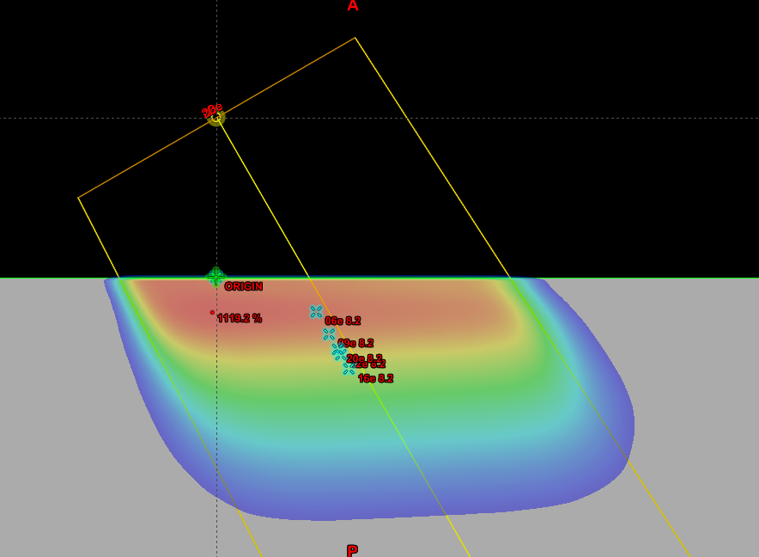
Test: | 8.2
Objective: | Surface irregularities - obliquity

Description: | Oblique incidence using reference cone and nominal clinical SSD. Measurement was done with 10x10 applicator, 105 SSD and 30 degree gantry rotation.

Tolerance: | 5%

Test Patient:
Test Course: | MPPG
Test Plan: | 8.2 105 SSD
Plan Settings: | 2 mm dose grid, all beams have 500 MU

Scan SSD: | 105 SSD
Crossline Profile Depths: | Energy Dependant
Inline Profile Depths: | Energy Dependant

Point Dose Results:
 |  |  |  |  |  |  | Measurement |  |  |  |  | EMC
Plan Name | Field Name | Dose Rate | Description | X | Y | Z | T | P | M | Mcorr | Rel. Dose | Calc Dose. | Rel. Dose | % Diff
Standards | 06e | 600 Servo On | 6e 10x10 Standard | 0 | 0 | 1.25 |  |  |  | #DIV/0! | #DIV/0! |  | #DIV/0! | #DIV/0!
Standards | 09e | 600 Servo On | 9e 10x10 Standard | 0 | 0 | 2.05 |  |  |  | #DIV/0! | #DIV/0! |  | #DIV/0! | #DIV/0!
Standards | 12e | 600 Servo On | 12e 10x10 Standard | 0 | 0 | 2.8 |  |  |  | #DIV/0! | #DIV/0! |  | #DIV/0! | #DIV/0!
Standards | 16e | 600 Servo On | 16e 10x10 Standard | 0 | 0 | 3.3 |  |  |  | #DIV/0! | #DIV/0! |  | #DIV/0! | #DIV/0!
Standards | 20e | 600 Servo On | 20e 10x10 Standard | 0 | 0 | 2.6 |  |  |  | #DIV/0! | #DIV/0! |  | #DIV/0! | #DIV/0!
8.2 105 SSD | 06e | 600 Servo On | MPPG 8.1 | 3.13 | 0 | 1.08 |  |  |  | #DIV/0! | #DIV/0! |  | #DIV/0! | #DIV/0!
8.2 105 SSD | 09e | 600 Servo On | MPPG 8.1 | 3.53 | 0 | 1.78 |  |  |  | #DIV/0! | #DIV/0! |  | #DIV/0! | #DIV/0!
8.2 105 SSD | 12e | 600 Servo On | MPPG 8.1 | 3.9 | 0 | 2.42 |  |  |  | #DIV/0! | #DIV/0! |  | #DIV/0! | #DIV/0!
8.2 105 SSD | 16e | 600 Servo On | MPPG 8.1 | 4.15 | 0 | 2.86 |  |  |  | #DIV/0! | #DIV/0! |  | #DIV/0! | #DIV/0!
8.2 105 SSD | 20e | 600 Servo On | MPPG 8.1 | 3.8 | 0 | 2.25 |  |  |  | #DIV/0! | #DIV/0! |  | #DIV/0! | #DIV/0!

 |  | Electron Monte Carlo
Profile Passing Rates: |  | Crossline |  | Inline |  | PDD | Diagonal
Criteria: 3%/3mm Global |  | Depth 1 | Depth 2 | Depth 1 | Depth 2
8.2 105 SSD | 06e
8.2 105 SSD | 09e
8.2 105 SSD | 12e
8.2 105 SSD | 16e
8.2 105 SSD | 20e

8.3
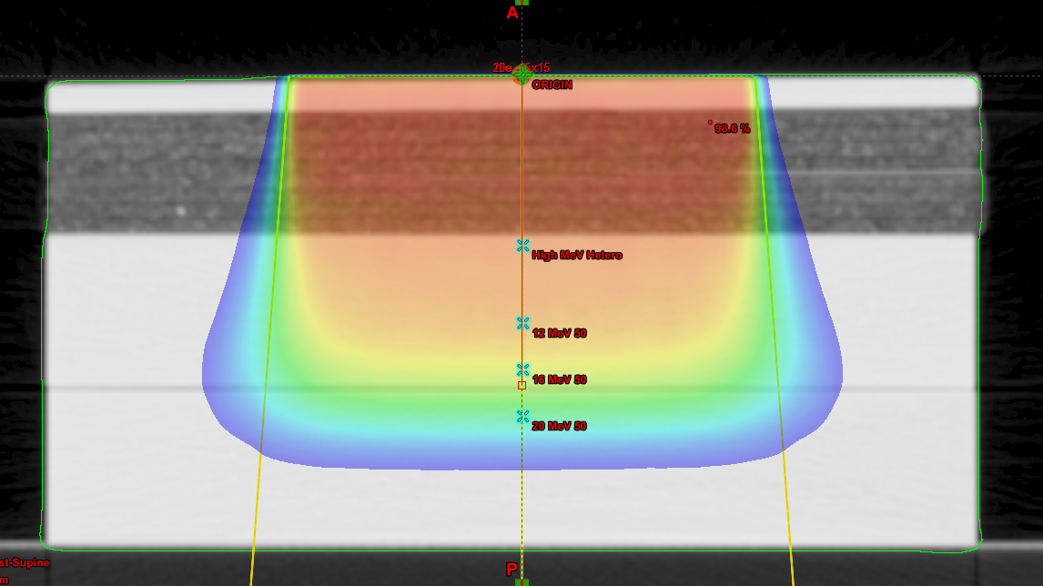
Test: | 8.3
Objective: | Inhomogeneity test

Description: | Reference cone and nominal clinical SSD.

Tolerance: | 7%

Test Patient: | zz MPPG #5 Tests
Test Course: | Hetero Check
Test Plan: | 6 MeV Hetero, 9 MeV Hetero, 12 MeV Hetero
Plan Settings: | 2 mm dose grid, all beams have 200 MU
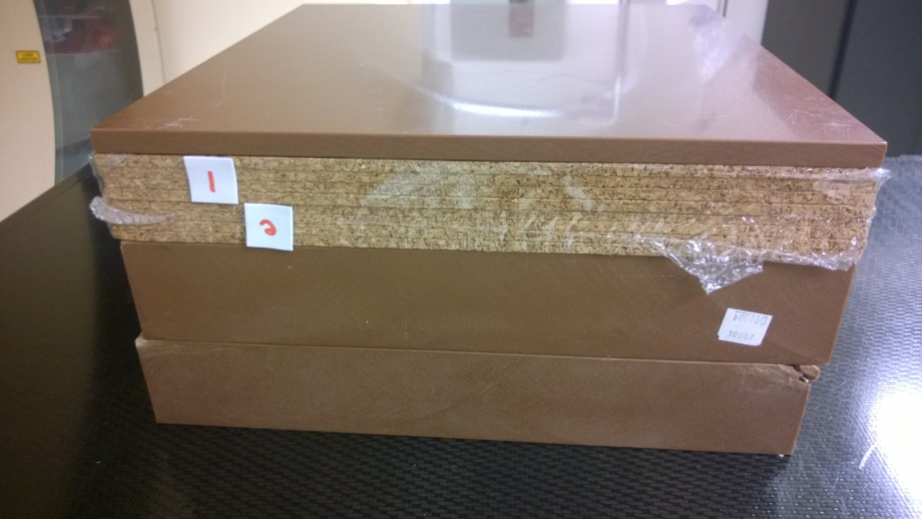
 | Measurements in Reference Geometry |  |  |  |  |  | Electron Monte Carlo
Energy | Measured Dmax | T | P | M | Mcorr | Rel. Dose | Calc Dose. | Rel. Dose | % Diff
6 MeV | 1.2 |  |  |  | #DIV/0! | #DIV/0! |  | #DIV/0! | #DIV/0!
9 MeV | 2 |  |  |  | #DIV/0! | #DIV/0! |  | #DIV/0! | #DIV/0!
12 MeV | 2.8 |  |  |  | #DIV/0! | #DIV/0! |  | #DIV/0! | #DIV/0!
16 MeV | 3.3 |  |  |  | #DIV/0! | #DIV/0! |  | #DIV/0! | #DIV/0!
20 MeV | 2.6 |  |  |  | #DIV/0! | #DIV/0! |  | #DIV/0! | #DIV/0!

 | Measurements near Dmax in Heterogenity Phantom |  |  |  |  |  | Electron Monte Carlo
Energy | Depth | T | P | M | Mcorr | Rel. Dose | Calc Dose. | Rel. Dose | % Diff
6 MeV | 2 |  |  |  | #DIV/0! | #DIV/0! |  | #DIV/0! | #DIV/0!
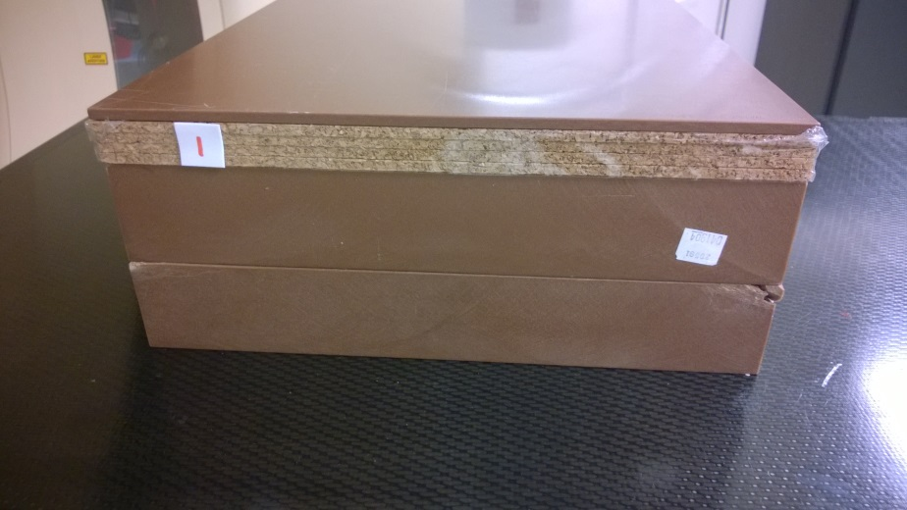
9 MeV | 3.5 |  |  |  | #DIV/0! | #DIV/0! |  | #DIV/0! | #DIV/0!
12 MeV | 5.5 |  |  |  | #DIV/0! | #DIV/0! |  | #DIV/0! | #DIV/0!
16 MeV | 5.5 |  |  |  | #DIV/0! | #DIV/0! |  | #DIV/0! | #DIV/0!
20 MeV | 5.5 |  |  |  | #DIV/0! | #DIV/0! |  | #DIV/0! | #DIV/0!

 | Measurements In Longitudinal Dose Fall-off Region |  |  |  |  |  | Electron Monte Carlo
Energy | Depth | T | P | M | Mcorr | Rel. Dose | Calc Dose. | Rel. Dose | % Diff
6 MeV | 3 |  |  |  | #DIV/0! | #DIV/0! |  | #DIV/0! | #DIV/0!
6 MeV | 3.1 |  |  |  | #DIV/0! | #DIV/0! |  | #DIV/0! | #DIV/0!
9 MeV | 5 |  |  |  | #DIV/0! | #DIV/0! |  | #DIV/0! | #DIV/0!
9 MeV | 4.9 |  |  |  | #DIV/0! | #DIV/0! |  | #DIV/0! | #DIV/0!
12 MeV | 8 |  |  |  | #DIV/0! | #DIV/0! |  | #DIV/0! | #DIV/0!
12 MeV | 8.1 |  |  |  | #DIV/0! | #DIV/0! |  | #DIV/0! | #DIV/0!
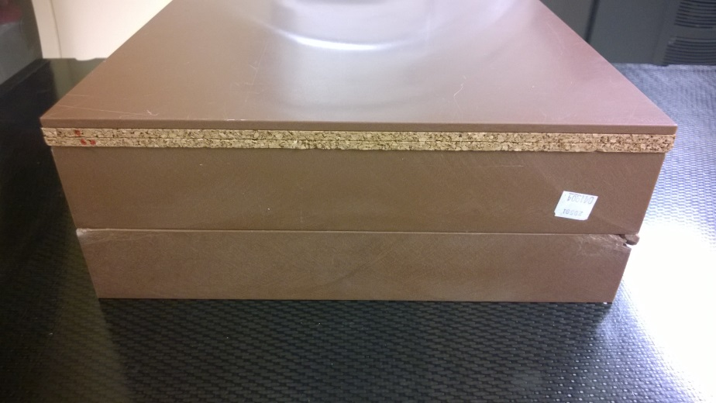
16 MeV | 9.5 |  |  |  | #DIV/0! | #DIV/0! |  | #DIV/0! | #DIV/0!
16 MeV | 9.6 |  |  |  | #DIV/0! | #DIV/0! |  | #DIV/0! | #DIV/0!
20 MeV | 11 |  |  |  | #DIV/0! | #DIV/0! |  | #DIV/0! | #DIV/0!
20 MeV | 11.1 |  |  |  | #DIV/0! | #DIV/0! |  | #DIV/0! | #DIV/0!

